图8-1-2 动态点柱形图
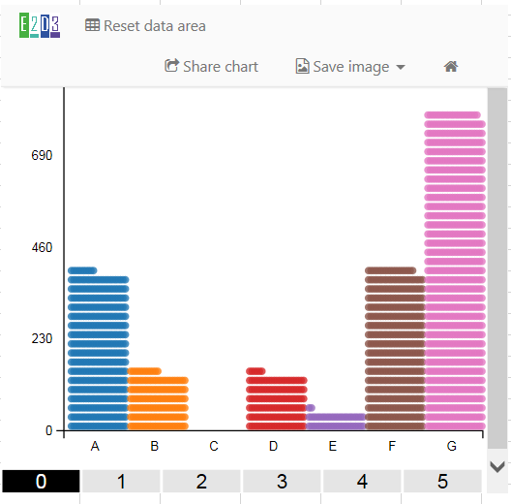
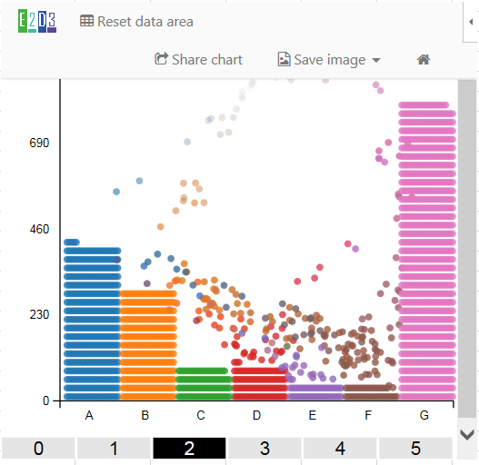
year | A | B | C | D | E | F | G
0 | 401 | 150 | 0 | 144 | 48 | 410 | 803
1 | 419 | 299 | 90 | 141 | 80 | 180 | 802
2 | 468 | 440 | 97 | 95 | 48 | 42 | 860
3 | 585 | 459 | 100 | 99 | 48 | 71 | 702
4 | 462 | 634 | 89 | 80 | 44 | 104 | 670
5 | 423 | 233 | 81 | 84 | 19 | 361 | 882

图8-1-3 弦图
creditor | debtor | amount | risk
Britain | France | 22.4 | 3
Britain | Greece | 0.55 | 0
Britain | Italy | 26 | 0
Britain | Portugal | 19.4 | 0
Britain | United States | 345 | 1
France | Germany | 53.8 | 1
France | Greece | 53.9 | 0
France | Ireland | 17.3 | 0
France | Italy | 366 | 0
France | Japan | 7.73 | 1
France | Portugal | 18.3 | 0
France | Spain | 118 | 2
France | United States | 322 | 1
Germany | Britain | 321 | 1
Germany | Greece | 19.3 | 0
Germany | Ireland | 48.9 | 0
Germany | Portugal | 32.5 | 0
Germany | Spain | 57.6 | 2
Germany | United States | 324 | 1
Ireland | Britain | 12 | 1
Ireland | Greece | 0.34 | 0
Ireland | Spain | 6.38 | 2
Italy | Germany | 111 | 1
Italy | Greece | 3.22 | 0
Italy | Ireland | 2.83 | 0
Italy | Portugal | 0.87 | 0
Japan | Britain | 28.2 | 1
Japan | Germany | 88.5 | 1
Japan | Greece | 1.37 | 0
Japan | Ireland | 18.9 | 0
Japan | Italy | 38.8 | 0
Japan | Portugal | 2.18 | 0
Japan | Spain | 25.9 | 2
Japan | United States | 796 | 1
Portugal | Greece | 10.1 | 0
Portugal | Ireland | 3.77 | 0
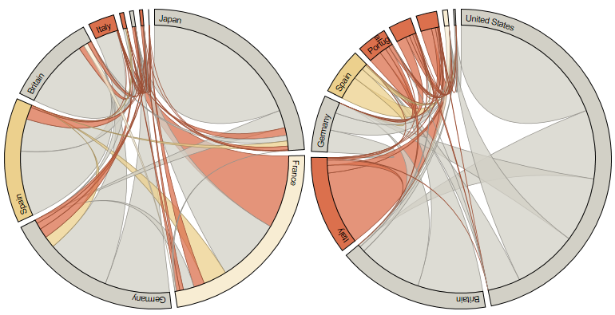
Portugal | United States | 0.52 | 1
Spain | Britain | 326 | 1
Spain | Greece | 0.78 | 0
Spain | Italy | 9.79 | 0
Spain | Portugal | 62 | 0
Spain | United States | 163 | 1
United States | Greece | 3.1 | 0
United States | Ireland | 11.1 | 0
United States | Italy | 3.16 | 0

散点矩阵图
species | sepal length | sepal width | petal length | petal width
setosa | 5.1 | 3.5 | 1.4 | 0.2
setosa | 4.9 | 3 | 1.4 | 0.2
setosa | 4.7 | 3.2 | 1.3 | 0.2
setosa | 4.6 | 3.1 | 1.5 | 0.2
setosa | 5 | 3.6 | 1.4 | 0.2
setosa | 5.4 | 3.9 | 1.7 | 0.4
setosa | 4.6 | 3.4 | 1.4 | 0.3
setosa | 5 | 3.4 | 1.5 | 0.2
setosa | 4.4 | 2.9 | 1.4 | 0.2
setosa | 4.9 | 3.1 | 1.5 | 0.1
setosa | 5.4 | 3.7 | 1.5 | 0.2
setosa | 4.8 | 3.4 | 1.6 | 0.2
setosa | 4.8 | 3 | 1.4 | 0.1
setosa | 4.3 | 3 | 1.1 | 0.1
setosa | 5.8 | 4 | 1.2 | 0.2
setosa | 5.7 | 4.4 | 1.5 | 0.4
setosa | 5.4 | 3.9 | 5 | 0.4
setosa | 5.1 | 3.5 | 1.4 | 0.3
setosa | 5.7 | 3.8 | 1.7 | 0.3
setosa | 5.1 | 3.8 | 1.5 | 0.3
setosa | 5.4 | 3.4 | 1.7 | 0.2
setosa | 5.1 | 3.7 | 1.5 | 0.4
setosa | 4.6 | 3.6 | 1 | 0.2
setosa | 5.1 | 3.3 | 1.7 | 0.5
setosa | 4.8 | 3.4 | 1.9 | 0.2
setosa | 5 | 3 | 1.6 | 0.2
setosa | 5 | 3.4 | 1.6 | 0.4
setosa | 5.2 | 3.5 | 1.5 | 0.2
setosa | 5.2 | 3.4 | 1.4 | 0.2
setosa | 4.7 | 3.2 | 1.6 | 0.2
setosa | 4.8 | 3.1 | 1.6 | 0.2
setosa | 5.4 | 3.4 | 1.5 | 0.4
setosa | 5.2 | 4.1 | 1.5 | 0.1
setosa | 5.5 | 4.2 | 1.4 | 0.2
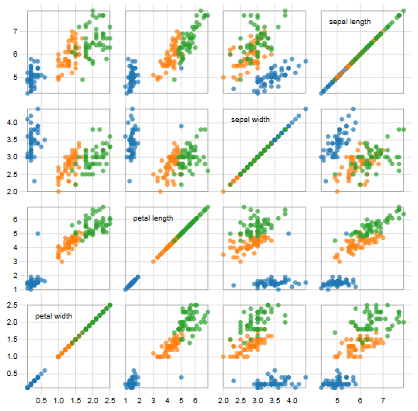
setosa | 4.9 | 3.1 | 1.5 | 0.2
setosa | 5 | 3.2 | 1.2 | 0.2
setosa | 5.5 | 3.5 | 1.3 | 0.2
setosa | 4.9 | 3.6 | 1.4 | 0.1
setosa | 4.4 | 3 | 1.3 | 0.2
setosa | 5.1 | 3.4 | 1.5 | 0.2
setosa | 5 | 3.5 | 1.3 | 0.3
setosa | 4.5 | 2.3 | 1.3 | 0.3
setosa | 4.4 | 3.2 | 1.3 | 0.2
setosa | 5 | 3.5 | 1.6 | 0.6
setosa | 5.1 | 3.8 | 1.9 | 0.4
setosa | 4.8 | 3 | 1.4 | 0.3
setosa | 5.1 | 3.8 | 1.6 | 0.2
setosa | 4.6 | 3.2 | 1.4 | 0.2
setosa | 5.3 | 3.7 | 1.5 | 0.2
setosa | 5 | 3.3 | 1.4 | 0.2
versicolor | 7 | 3.2 | 4.7 | 1.4
versicolor | 6.4 | 3.2 | 4.5 | 1.5
versicolor | 6.9 | 3.1 | 4.9 | 1.5
versicolor | 5.5 | 2.3 | 4 | 1.3
versicolor | 6.5 | 2.8 | 4.6 | 1.5
versicolor | 5.7 | 2.8 | 4.5 | 1.3
versicolor | 6.3 | 3.3 | 4.7 | 1.6
versicolor | 4.9 | 2.4 | 3.3 | 1
versicolor | 6.6 | 2.9 | 4.6 | 1.3
versicolor | 5.2 | 2.7 | 3.9 | 1.4
versicolor | 5 | 2 | 3.5 | 1
versicolor | 5.9 | 3 | 4.2 | 1.5
versicolor | 6 | 2.2 | 4 | 1
versicolor | 6.1 | 2.9 | 4.7 | 1.4
versicolor | 5.6 | 2.9 | 3.6 | 1.3
versicolor | 6.7 | 3.1 | 4.4 | 1.4
versicolor | 5.6 | 3 | 4.5 | 1.5
versicolor | 5.8 | 2.7 | 4.1 | 1
versicolor | 6.2 | 2.2 | 4.5 | 1.5
versicolor | 5.6 | 2.5 | 3.9 | 1.1
versicolor | 5.9 | 3.2 | 4.8 | 1.8
versicolor | 6.1 | 2.8 | 4 | 1.3
versicolor | 6.3 | 2.5 | 4.9 | 1.5
versicolor | 6.1 | 2.8 | 4.7 | 1.2
versicolor | 6.4 | 2.9 | 4.3 | 1.3
versicolor | 6.6 | 3 | 4.4 | 1.4
versicolor | 6.8 | 2.8 | 4.8 | 1.4
versicolor | 6.7 | 3 | 5 | 1.7
versicolor | 6 | 2.9 | 4.5 | 1.5
versicolor | 5.7 | 2.6 | 3.5 | 1
versicolor | 5.5 | 2.4 | 3.8 | 1.1
versicolor | 5.5 | 2.4 | 3.7 | 1
versicolor | 5.8 | 2.7 | 3.9 | 1.2
versicolor | 6 | 2.7 | 5.1 | 1.6
versicolor | 5.4 | 3 | 4.5 | 1.5
versicolor | 6 | 3.4 | 4.5 | 1.6
versicolor | 6.7 | 3.1 | 4.7 | 1.5
versicolor | 6.3 | 2.3 | 4.4 | 1.3
versicolor | 5.6 | 3 | 4.1 | 1.3
versicolor | 5.5 | 2.5 | 4 | 1.3
versicolor | 5.5 | 2.6 | 4.4 | 1.2
versicolor | 6.1 | 3 | 4.6 | 1.4
versicolor | 5.8 | 2.6 | 4 | 1.2
versicolor | 5 | 2.3 | 3.3 | 1
versicolor | 5.6 | 2.7 | 4.2 | 1.3
versicolor | 5.7 | 3 | 4.2 | 1.2
versicolor | 5.7 | 2.9 | 4.2 | 1.3
versicolor | 6.2 | 2.9 | 4.3 | 1.3
versicolor | 5.1 | 2.5 | 3 | 1.1
versicolor | 5.7 | 2.8 | 4.1 | 1.3
virginica | 6.3 | 3.3 | 6 | 2.5
virginica | 5.8 | 2.7 | 5.1 | 1.9
virginica | 7.1 | 3 | 5.9 | 2.1
virginica | 6.3 | 2.9 | 5.6 | 1.8
virginica | 6.5 | 3 | 5.8 | 2.2
virginica | 7.6 | 3 | 6.6 | 2.1
virginica | 4.9 | 2.5 | 4.5 | 1.7
virginica | 7.3 | 2.9 | 6.3 | 1.8
virginica | 6.7 | 2.5 | 5.8 | 1.8
virginica | 7.2 | 3.6 | 6.1 | 2.5
virginica | 6.5 | 3.2 | 5.1 | 2
virginica | 6.4 | 2.7 | 5.3 | 1.9
virginica | 6.8 | 3 | 5.5 | 2.1
virginica | 5.7 | 2.5 | 5 | 2
virginica | 5.8 | 2.8 | 5.1 | 2.4
virginica | 6.4 | 3.2 | 5.3 | 2.3
virginica | 6.5 | 3 | 5.5 | 1.8
virginica | 7.7 | 3.8 | 6.7 | 2.2
virginica | 7.7 | 2.6 | 6.9 | 2.3
virginica | 6 | 2.2 | 5 | 1.5
virginica | 6.9 | 3.2 | 5.7 | 2.3
virginica | 5.6 | 2.8 | 4.9 | 2
virginica | 7.7 | 2.8 | 6.7 | 2
virginica | 6.3 | 2.7 | 4.9 | 1.8
virginica | 6.7 | 3.3 | 5.7 | 2.1
virginica | 7.2 | 3.2 | 6 | 1.8
virginica | 6.2 | 2.8 | 4.8 | 1.8
virginica | 6.1 | 3 | 4.9 | 1.8
virginica | 6.4 | 2.8 | 5.6 | 2.1
virginica | 7.2 | 3 | 5.8 | 1.6
virginica | 7.4 | 2.8 | 6.1 | 1.9
virginica | 7.9 | 3.8 | 6.4 | 2
virginica | 6.4 | 2.8 | 5.6 | 2.2
virginica | 6.3 | 2.8 | 5.1 | 1.5
virginica | 6.1 | 2.6 | 5.6 | 1.4
virginica | 7.7 | 3 | 6.1 | 2.3
virginica | 6.3 | 3.4 | 5.6 | 2.4
virginica | 6.4 | 3.1 | 5.5 | 1.8
virginica | 6 | 3 | 4.8 | 1.8
virginica | 6.9 | 3.1 | 5.4 | 2.1
virginica | 6.7 | 3.1 | 5.6 | 2.4
virginica | 6.9 | 3.1 | 5.1 | 2.3
virginica | 5.8 | 2.7 | 5.1 | 1.9
virginica | 6.8 | 3.2 | 5.9 | 2.3
virginica | 6.7 | 3.3 | 5.7 | 2.5
virginica | 6.7 | 3 | 5.2 | 2.3
virginica | 6.3 | 2.5 | 5 | 1.9
virginica | 6.5 | 3 | 5.2 | 2
virginica | 6.2 | 3.4 | 5.4 | 2.3
virginica | 5.9 | 3 | 5.1 | 1.8

相关系数图
source_name | source_group | target_name | target_group | value
Napoleon | 1 | Myriel | 1 | 1
Mlle.Baptistine | 1 | Myriel | 1 | 8
Mme.Magloire | 1 | Myriel | 1 | 10
Mme.Magloire | 1 | Mlle.Baptistine | 1 | 6
CountessdeLo | 1 | Myriel | 1 | 1
Geborand | 1 | Myriel | 1 | 1
Champtercier | 1 | Myriel | 1 | 1
Cravatte | 1 | Myriel | 1 | 1
Count | 1 | Myriel | 1 | 2
OldMan | 1 | Myriel | 1 | 1
Valjean | 2 | Labarre | 2 | 1
Valjean | 2 | Mme.Magloire | 1 | 3
Valjean | 2 | Mlle.Baptistine | 1 | 3
Valjean | 2 | Myriel | 1 | 5
Marguerite | 3 | Valjean | 2 | 1
Mme.deR | 2 | Valjean | 2 | 1
Isabeau | 2 | Valjean | 2 | 1
Gervais | 2 | Valjean | 2 | 1
Listolier | 3 | Tholomyes | 3 | 4
Fameuil | 3 | Tholomyes | 3 | 4
Fameuil | 3 | Listolier | 3 | 4
Blacheville | 3 | Tholomyes | 3 | 4
Blacheville | 3 | Listolier | 3 | 4
Blacheville | 3 | Fameuil | 3 | 4
Favourite | 3 | Tholomyes | 3 | 3
Favourite | 3 | Listolier | 3 | 3
Favourite | 3 | Fameuil | 3 | 3
Favourite | 3 | Blacheville | 3 | 4
Dahlia | 3 | Tholomyes | 3 | 3
Dahlia | 3 | Listolier | 3 | 3
Dahlia | 3 | Fameuil | 3 | 3
Dahlia | 3 | Blacheville | 3 | 3
Dahlia | 3 | Favourite | 3 | 5
Zephine | 3 | Tholomyes | 3 | 3
Zephine | 3 | Listolier | 3 | 3
Zephine | 3 | Fameuil | 3 | 3
Zephine | 3 | Blacheville | 3 | 3
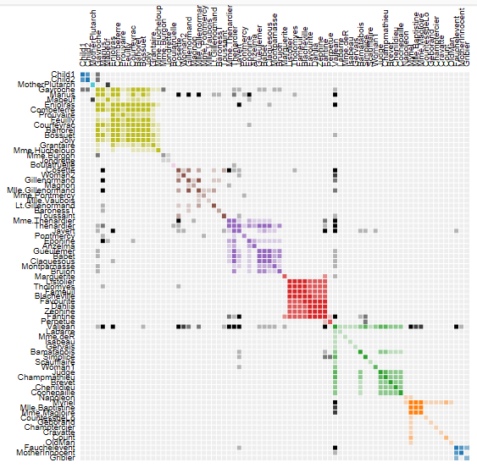
Zephine | 3 | Favourite | 3 | 4
Zephine | 3 | Dahlia | 3 | 4
Fantine | 3 | Tholomyes | 3 | 3
Fantine | 3 | Listolier | 3 | 3
Fantine | 3 | Fameuil | 3 | 3
Fantine | 3 | Blacheville | 3 | 3
Fantine | 3 | Favourite | 3 | 4
Fantine | 3 | Dahlia | 3 | 4
Fantine | 3 | Zephine | 3 | 4
Fantine | 3 | Marguerite | 3 | 2
Fantine | 3 | Valjean | 2 | 9
Mme.Thenardier | 4 | Fantine | 3 | 2
Mme.Thenardier | 4 | Valjean | 2 | 7
Thenardier | 4 | Mme.Thenardier | 4 | 13
Thenardier | 4 | Fantine | 3 | 1
Thenardier | 4 | Valjean | 2 | 12
Cosette | 5 | Mme.Thenardier | 4 | 4
Cosette | 5 | Valjean | 2 | 31
Cosette | 5 | Tholomyes | 3 | 1
Cosette | 5 | Thenardier | 4 | 1
Javert | 4 | Valjean | 2 | 17
Javert | 4 | Fantine | 3 | 5
Javert | 4 | Thenardier | 4 | 5
Javert | 4 | Mme.Thenardier | 4 | 1
Javert | 4 | Cosette | 5 | 1
Fauchelevent | 0 | Valjean | 2 | 8
Fauchelevent | 0 | Javert | 4 | 1
Bamatabois | 2 | Fantine | 3 | 1
Bamatabois | 2 | Javert | 4 | 1
Bamatabois | 2 | Valjean | 2 | 2
Perpetue | 3 | Fantine | 3 | 1
Simplice | 2 | Perpetue | 3 | 2
Simplice | 2 | Valjean | 2 | 3
Simplice | 2 | Fantine | 3 | 2
Simplice | 2 | Javert | 4 | 1
Scaufflaire | 2 | Valjean | 2 | 1
Woman1 | 2 | Valjean | 2 | 2
Woman1 | 2 | Javert | 4 | 1
Judge | 2 | Valjean | 2 | 3
Judge | 2 | Bamatabois | 2 | 2
Champmathieu | 2 | Valjean | 2 | 3
Champmathieu | 2 | Judge | 2 | 3
Champmathieu | 2 | Bamatabois | 2 | 2
Brevet | 2 | Judge | 2 | 2
Brevet | 2 | Champmathieu | 2 | 2
Brevet | 2 | Valjean | 2 | 2
Brevet | 2 | Bamatabois | 2 | 1
Chenildieu | 2 | Judge | 2 | 2
Chenildieu | 2 | Champmathieu | 2 | 2
Chenildieu | 2 | Brevet | 2 | 2
Chenildieu | 2 | Valjean | 2 | 2
Chenildieu | 2 | Bamatabois | 2 | 1
Cochepaille | 2 | Judge | 2 | 2
Cochepaille | 2 | Champmathieu | 2 | 2
Cochepaille | 2 | Brevet | 2 | 2
Cochepaille | 2 | Chenildieu | 2 | 2
Cochepaille | 2 | Valjean | 2 | 2
Cochepaille | 2 | Bamatabois | 2 | 1
Pontmercy | 4 | Thenardier | 4 | 1
Boulatruelle | 6 | Thenardier | 4 | 1
Eponine | 4 | Mme.Thenardier | 4 | 2
Eponine | 4 | Thenardier | 4 | 3
Anzelma | 4 | Eponine | 4 | 2
Anzelma | 4 | Thenardier | 4 | 2
Anzelma | 4 | Mme.Thenardier | 4 | 1
Woman2 | 5 | Valjean | 2 | 3
Woman2 | 5 | Cosette | 5 | 1
Woman2 | 5 | Javert | 4 | 1
MotherInnocent | 0 | Fauchelevent | 0 | 3
MotherInnocent | 0 | Valjean | 2 | 1
Gribier | 0 | Fauchelevent | 0 | 2
Mme.Burgon | 7 | Jondrette | 7 | 1
Gavroche | 8 | Mme.Burgon | 7 | 2
Gavroche | 8 | Thenardier | 4 | 1
Gavroche | 8 | Javert | 4 | 1
Gavroche | 8 | Valjean | 2 | 1
Gillenormand | 5 | Cosette | 5 | 3
Gillenormand | 5 | Valjean | 2 | 2
Magnon | 5 | Gillenormand | 5 | 1
Magnon | 5 | Mme.Thenardier | 4 | 1
Mlle.Gillenormand | 5 | Gillenormand | 5 | 9
Mlle.Gillenormand | 5 | Cosette | 5 | 2
Mlle.Gillenormand | 5 | Valjean | 2 | 2
Mme.Pontmercy | 5 | Mlle.Gillenormand | 5 | 1
Mme.Pontmercy | 5 | Pontmercy | 4 | 1
Mlle.Vaubois | 5 | Mlle.Gillenormand | 5 | 1
Lt.Gillenormand | 5 | Mlle.Gillenormand | 5 | 2
Lt.Gillenormand | 5 | Gillenormand | 5 | 1
Lt.Gillenormand | 5 | Cosette | 5 | 1
Marius | 8 | Mlle.Gillenormand | 5 | 6
Marius | 8 | Gillenormand | 5 | 12
Marius | 8 | Pontmercy | 4 | 1
Marius | 8 | Lt.Gillenormand | 5 | 1
Marius | 8 | Cosette | 5 | 21
Marius | 8 | Valjean | 2 | 19
Marius | 8 | Tholomyes | 3 | 1
Marius | 8 | Thenardier | 4 | 2
Marius | 8 | Eponine | 4 | 5
Marius | 8 | Gavroche | 8 | 4
BaronessT | 5 | Gillenormand | 5 | 1
BaronessT | 5 | Marius | 8 | 1
Mabeuf | 8 | Marius | 8 | 1
Mabeuf | 8 | Eponine | 4 | 1
Mabeuf | 8 | Gavroche | 8 | 1
Enjolras | 8 | Marius | 8 | 7
Enjolras | 8 | Gavroche | 8 | 7
Enjolras | 8 | Javert | 4 | 6
Enjolras | 8 | Mabeuf | 8 | 1
Enjolras | 8 | Valjean | 2 | 4
Combeferre | 8 | Enjolras | 8 | 15
Combeferre | 8 | Marius | 8 | 5
Combeferre | 8 | Gavroche | 8 | 6
Combeferre | 8 | Mabeuf | 8 | 2
Prouvaire | 8 | Gavroche | 8 | 1
Prouvaire | 8 | Enjolras | 8 | 4
Prouvaire | 8 | Combeferre | 8 | 2
Feuilly | 8 | Gavroche | 8 | 2
Feuilly | 8 | Enjolras | 8 | 6
Feuilly | 8 | Prouvaire | 8 | 2
Feuilly | 8 | Combeferre | 8 | 5
Feuilly | 8 | Mabeuf | 8 | 1
Feuilly | 8 | Marius | 8 | 1
Courfeyrac | 8 | Marius | 8 | 9
Courfeyrac | 8 | Enjolras | 8 | 17
Courfeyrac | 8 | Combeferre | 8 | 13
Courfeyrac | 8 | Gavroche | 8 | 7
Courfeyrac | 8 | Mabeuf | 8 | 2
Courfeyrac | 8 | Eponine | 4 | 1
Courfeyrac | 8 | Feuilly | 8 | 6
Courfeyrac | 8 | Prouvaire | 8 | 3
Bahorel | 8 | Combeferre | 8 | 5
Bahorel | 8 | Gavroche | 8 | 5
Bahorel | 8 | Courfeyrac | 8 | 6
Bahorel | 8 | Mabeuf | 8 | 2
Bahorel | 8 | Enjolras | 8 | 4
Bahorel | 8 | Feuilly | 8 | 3
Bahorel | 8 | Prouvaire | 8 | 2
Bahorel | 8 | Marius | 8 | 1
Bossuet | 8 | Marius | 8 | 5
Bossuet | 8 | Courfeyrac | 8 | 12
Bossuet | 8 | Gavroche | 8 | 5
Bossuet | 8 | Bahorel | 8 | 4
Bossuet | 8 | Enjolras | 8 | 10
Bossuet | 8 | Feuilly | 8 | 6
Bossuet | 8 | Prouvaire | 8 | 2
Bossuet | 8 | Combeferre | 8 | 9
Bossuet | 8 | Mabeuf | 8 | 1
Bossuet | 8 | Valjean | 2 | 1
Joly | 8 | Bahorel | 8 | 5
Joly | 8 | Bossuet | 8 | 7
Joly | 8 | Gavroche | 8 | 3
Joly | 8 | Courfeyrac | 8 | 5
Joly | 8 | Enjolras | 8 | 5
Joly | 8 | Feuilly | 8 | 5
Joly | 8 | Prouvaire | 8 | 2
Joly | 8 | Combeferre | 8 | 5
Joly | 8 | Mabeuf | 8 | 1
Joly | 8 | Marius | 8 | 2
Grantaire | 8 | Bossuet | 8 | 3
Grantaire | 8 | Enjolras | 8 | 3
Grantaire | 8 | Combeferre | 8 | 1
Grantaire | 8 | Courfeyrac | 8 | 2
Grantaire | 8 | Joly | 8 | 2
Grantaire | 8 | Gavroche | 8 | 1
Grantaire | 8 | Bahorel | 8 | 1
Grantaire | 8 | Feuilly | 8 | 1
Grantaire | 8 | Prouvaire | 8 | 1
MotherPlutarch | 9 | Mabeuf | 8 | 3
Gueulemer | 4 | Thenardier | 4 | 5
Gueulemer | 4 | Valjean | 2 | 1
Gueulemer | 4 | Mme.Thenardier | 4 | 1
Gueulemer | 4 | Javert | 4 | 1
Gueulemer | 4 | Gavroche | 8 | 1
Gueulemer | 4 | Eponine | 4 | 1
Babet | 4 | Thenardier | 4 | 6
Babet | 4 | Gueulemer | 4 | 6
Babet | 4 | Valjean | 2 | 1
Babet | 4 | Mme.Thenardier | 4 | 1
Babet | 4 | Javert | 4 | 2
Babet | 4 | Gavroche | 8 | 1
Babet | 4 | Eponine | 4 | 1
Claquesous | 4 | Thenardier | 4 | 4
Claquesous | 4 | Babet | 4 | 4
Claquesous | 4 | Gueulemer | 4 | 4
Claquesous | 4 | Valjean | 2 | 1
Claquesous | 4 | Mme.Thenardier | 4 | 1
Claquesous | 4 | Javert | 4 | 1
Claquesous | 4 | Eponine | 4 | 1
Claquesous | 4 | Enjolras | 8 | 1
Montparnasse | 4 | Javert | 4 | 1
Montparnasse | 4 | Babet | 4 | 2
Montparnasse | 4 | Gueulemer | 4 | 2
Montparnasse | 4 | Claquesous | 4 | 2
Montparnasse | 4 | Valjean | 2 | 1
Montparnasse | 4 | Gavroche | 8 | 1
Montparnasse | 4 | Eponine | 4 | 1
Montparnasse | 4 | Thenardier | 4 | 1
Toussaint | 5 | Cosette | 5 | 2
Toussaint | 5 | Javert | 4 | 1
Toussaint | 5 | Valjean | 2 | 1
Child1 | 10 | Gavroche | 8 | 2
Child2 | 10 | Gavroche | 8 | 2
Child2 | 10 | Child1 | 10 | 3
Brujon | 4 | Babet | 4 | 3
Brujon | 4 | Gueulemer | 4 | 3
Brujon | 4 | Thenardier | 4 | 3
Brujon | 4 | Gavroche | 8 | 1
Brujon | 4 | Eponine | 4 | 1
Brujon | 4 | Claquesous | 4 | 1
Brujon | 4 | Montparnasse | 4 | 1
Mme.Hucheloup | 8 | Bossuet | 8 | 1
Mme.Hucheloup | 8 | Joly | 8 | 1
Mme.Hucheloup | 8 | Grantaire | 8 | 1
Mme.Hucheloup | 8 | Bahorel | 8 | 1
Mme.Hucheloup | 8 | Courfeyrac | 8 | 1
Mme.Hucheloup | 8 | Gavroche | 8 | 1
Mme.Hucheloup | 8 | Enjolras | 8 | 1

平行坐标系
Tree# | Girth | Height | Volume | Age
1 | 8.3 | 70 | 10.3 | 100
2 | 8.6 | 65 | 10.3 | 52
3 | 8.8 | 63 | 10.2 | 45
4 | 10.5 | 72 | 16.4 | 67
5 | 10.7 | 81 | 18.8 | 64
6 | 10.8 | 83 | 19.7 | 91
7 | 11 | 66 | 15.6 | 82
8 | 11 | 75 | 18.2 | 100
9 | 11.1 | 80 | 22.6 | 43
10 | 11.2 | 75 | 19.9 | 99
11 | 11.3 | 79 | 24.2 | 97
12 | 11.4 | 76 | 21 | 60
13 | 11.4 | 76 | 21.4 | 38
14 | 11.7 | 69 | 21.3 | 43
15 | 12 | 75 | 19.1 | 64
16 | 12.9 | 74 | 22.2 | 83
17 | 12.9 | 85 | 33.8 | 48
18 | 13.3 | 86 | 27.4 | 75
19 | 13.7 | 71 | 25.7 | 62
20 | 13.8 | 64 | 24.9 | 77
21 | 14 | 78 | 34.5 | 64
22 | 14.2 | 80 | 31.7 | 70
23 | 14.5 | 74 | 36.3 | 59
24 | 16 | 72 | 38.3 | 89
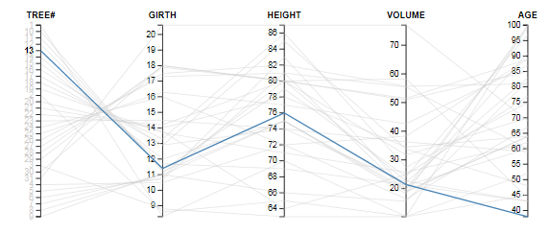
25 | 16.3 | 77 | 42.6 | 87
26 | 17.3 | 81 | 55.4 | 60
27 | 17.5 | 82 | 55.7 | 81
28 | 17.9 | 80 | 58.3 | 44
29 | 18 | 80 | 51.5 | 89
30 | 18 | 80 | 51 | 85
31 | 20.6 | 87 | 77 | 69

标签云图
name | value
Africa | 11506
Antarctica | 5500
Asia | 16988
Australia | 2968
Axel Heiberg | 16
Baffin | 184
Banks | 23
Borneo | 280
Britain | 84
Celebes | 73
Celon | 25
Cuba | 43
Devon | 21
Ellesmere | 82
Europe | 3745
Greenland | 840
Hainan | 13
Hispaniola | 30
Hokkaido | 30
Honshu | 89
Iceland | 40
Ireland | 33
Java | 49
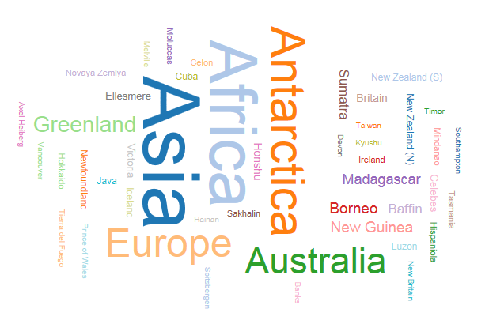
Kyushu | 14
Luzon | 42
Madagascar | 227
Melville | 16
Mindanao | 36
Moluccas | 29
New Britain | 15
New Guinea | 306
New Zealand (N) | 44
New Zealand (S) | 58
Newfoundland | 43
North America | 9390
Novaya Zemlya | 32
Prince of Wales | 13
Sakhalin | 29
South America | 6795
Southampton | 16
Spitsbergen | 15
Sumatra | 183
Taiwan | 14
Tasmania | 26
Tierra del Fuego | 19
Timor | 13
Vancouver | 12
Victoria | 82

使用条款
使用条款

Copyright (c) 2016 by EasyCharts的图表博客
Github博客：http://easychart.github.io/blog.html
知乎专栏：https://zhuanlan.zhihu.com/EasyCharts
新浪微博：http://www.weibo.com/easycharts
本使用条款不得被修改、删除。

本文档作为《Excel数据之美：科学图表与商业图表的绘制》一书的配套范例文件而建立，仅作为该书读者个人对照书本阅读、理解、学习之用途，不得用于转让、出售、商业培训等任何营利性质的用途，也不得发布到互联网上任何网站、论坛、社区、博客等途径提供收费下载。
本文档仅作为该书案例讲解和读者学习理解之用途，已尽量设计得正确。但若读者将其用于公司内部实际工作使用，本文档并不保证适合所有的应用场景，无论读者是否进行定制化修改，本作者对由此所可能引起的任何错误、损失等不承担任何责任。

All rights are reserved. This workbook may not be reprinted or distributed in electronic, print, web, or other format without express written permission from the author.
This workbook is designed to provide information about Microsoft Excel. Every effort has been made to make them as complete and accurate as possible.
The information is provided on an “as is” basis. The author shall have neither liability nor responsibility to any person or entity with respect to any loss or damages arising from the contents or use of these workbooks.

You may make archival copies and customize this template (the "Software") for personal use or for your
company use. The customized template (with your specific personal or company information) may be
used and shared within your company, but this template or any document including or derived from
this template may NOT be sold, distributed, or placed on a public server such as the internet.

Caution: This spreadsheet is for educational and illustrative purposes only and should not be construed as
financial advice. The results may not reflect reality and may not apply to your specific situation.

